REQUEST
Please could I get the total number of emergency calls you have received from NHS sites to take a patient to A&E on the same site, from 1 November 2024 until 13 February 2025?
For each call, could I please get:
1. The name of the NHS provider from which the call originated
2. Which A&E they were taken to
3. The reason the patient needed to be taken to A&E
I have attached an example of how the data could be presented.

Attached example:
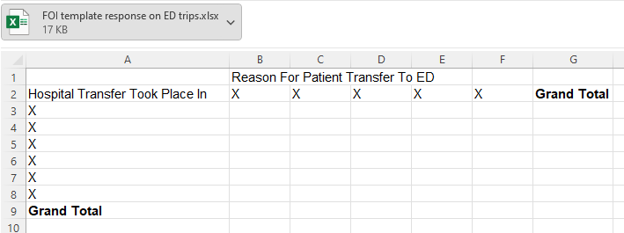

SUBMISSION
Data Notes
Date Range:
1st Nov 2024 - 13th Feb 2025
Notes
'Running calls' have been excluded which are calls wherein a crew supports a patient presenting to hospital and provides some form of treatement
Due to information governance standards figures under 10 have been removed
 | Reason For Patient Transfer To ED
Hospital Transfer Took Place In | Bleeding | Chest / Upper Back Pain / Cardiac | Fitting Now | HCP | HCP - Critical Care Transfer | HCP - Mental Health | HCP / IFT C1 | Medical Minor | RTC | Stroke / Neurological | Trauma | Unconscious - Adult | Grand Total
Darent Valley Hospital ED |  |  |  | Less than 10 |  | Less than 10 |  |  |  |  | Less than 10 | Less than 10 | 10
East Surrey Hospital ED |  |  |  | Less than 10 |  |  |  |  |  |  | Less than 10 |  | Less than 10
Eastbourne DGH ED |  |  |  | Less than 10 |  |  |  | Less than 10 |  |  |  |  | Less than 10
Epsom Hospital ED |  |  |  |  |  |  |  |  |  |  | Less than 10 |  | Less than 10
Frimley Park Hospital ED |  |  |  |  |  |  |  |  |  | Less than 10 |  |  | Less than 10
Kent & Canterbury Hospital ED |  |  |  | Less than 10 |  |  |  |  |  |  |  |  | Less than 10
Maidstone Hospital ED |  |  |  | Less than 10 |  |  |  |  |  |  |  |  | Less than 10
Medway Maritime Hospital ED | Less than 10 |  |  | Less than 10 |  |  |  |  |  |  |  |  | Less than 10
Royal Surrey County Hospital ED |  |  |  |  | Less than 10 |  |  |  |  |  |  |  | Less than 10
Royal Sussex County Hospital ED |  | Less than 10 | Less than 10 | Less than 10 |  |  |  |  | Less than 10 |  |  |  | Less than 10
St Peters Hospital ED |  |  |  | Less than 10 |  |  |  |  |  |  |  |  | Less than 10
St Richards Hospital ED |  |  |  | Less than 10 |  |  | Less than 10 |  |  |  |  |  | Less than 10
William Harvey Hospital ED |  |  |  | Less than 10 |  |  |  |  |  |  |  |  | Less than 10
Grand Total | Less than 10 | Less than 10 | Less than 10 | 29 | Less than 10 | Less than 10 | Less than 10 | Less than 10 | Less than 10 | Less than 10 | Less than 10 | Less than 10 | 43

METHOD
SELECT
i.IncLocation,
h.[Name] AS ED,
c.ConditionDesc as ConditionDesc,
COUNT(DISTINCT i.CAD_ID) AS IncCount
FROM
[CADSource].[dbo].[csIncidents] i WITH(NOLOCK)
LEFT JOIN
[CADSource].[dbo].csResponses r WITH(NOLOCK) ON i.rootid = r.rootid
left join
[CADSource].[dbo].[csLuConditions] c WITH(NOLOCK) on i.ConditionID = c.ConditionID
left JOIN
[CADSource].[dbo].[csluCADHospitals] h WITH(NOLOCK) ON r.CADHospID = h.CADHospID
left join
[CADSource].[dbo].[csluBuildingTypes] b WITH(NOLOCK) on i.BuildingTypeID = b.BuildingTypeID
WHERE
i.INCDATE BETWEEN '2024-11-01' AND '2025-02-13'
AND ContractExcludeCallFlag = 'N'
AND ISNULL(RTRIM(ReasonStopID), 0) NOT IN (55, 86, 79)
AND i.incidentoutcome = 'SC'
AND h.[Name] like '% ED%'
and h.[Name] not like '%NON ED%'
and i.IncLocationPostCode = h.HospPostCode
and b.BuildingTypeDesc = 'Hospital'
and i.Conditionid <> '1150'
GROUP BY
h.[name], i.IncLocation, c.ConditionDesc

